Concrete
Individual assignment to hand in for grade.

Table 1: Compressive strength of 4" diameter concrete test cylinders.

Water/Cement Ratio | %Air | Compressive Force (lbs) | Compressive Strength (psi)
0.42 | 3.0% | 73,000 | 5,809 | Instructions:
0.43 | 3.0% | 76,500 | 6,088 | This data set shows the recorded compressive force of 4" diameter concrete test cylinders. Follow the instructions below to format the table and create a graph.
0.43 | 3.0% | 82,000 | 6,525
0.45 | 2.2% | 67,500 | 5,371 | 1) | Insert a column to the right of the compressive force. Add a title, "Compressive Strength (psi)" and use an equation to solve for strength (HINT: strength = force / cross sectional area).
0.45 | 2.2% | 72,000 | 5,730
0.45 | 2.8% | 71,500 | 5,690 | 2) | Format the table so is has consistent number/cell formatting and borders. Make sure the columns are an appropriate width for the text.
0.46 | 2.4% | 75,000 | 5,968
0.46 | 2.3% | 74,900 | 5,960 | 3) | Create a graph that shows the relationship between water-cement ratio and compressive strength. Note: Compressive strength is dependent on water-cement ratio.
0.46 | 2.3% | 72,500 | 5,769
0.48 | 3.2% | 71,000 | 5,650 | 4) | Add a trend line to the data set and display the trendline equation on the graph.
0.49 | 4.0% | 68,500 | 5,451 | 5) | When you are finished, select your table, copy and paste it into a Word Document. Check formatting. Do the same with the graph. Make sure that both of these look clear when printed and are in a format that you would use for formal written reports.
0.50 | 2.8% | 70,500 | 5,610
0.50 | 2.8% | 71,500 | 5,690
0.51 | 2.8% | 69,000 | 5,491 | Be sure to include or check:
0.51 | 2.8% | 62,500 | 4,974 | 1) | Figure and Table number with descriptive captions as you would in a formal report.
0.52 | 2.8% | 68,000 | 5,411 | 2) | Axes labels with y as the dependent variable (almost always)
0.52 | 2.8% | 65,500 | 5,212 | 3) | Legend if more than one set of data on the same plot
0.52 | 2.1% | 62,500 | 4,974 | 4) | Data points for data, lines for relationships/fits
0.53 | 2.8% | 67,000 | 5,332 | 5) | Points/lines should be different shapes/patterns if more than one set of data on the same plot
0.54 | 2.4% | 56,000 | 4,456 | Hand in:
0.55 | 2.9% | 68,000 | 5,411 |  | Hand in a printed document that shows your table and graph in a professional way as they should appear in a formal report (use Word or similar program). You don't need to upload the Word document, but your work should be saved in this excel file that you will upload to Moodle.
0.55 | 2.9% | 67,000 | 5,332
0.56 | 2.9% | 69,000 | 5,491
0.57 | 3.0% | 53,000 | 4,218
0.58 | 3.0% | 45,000 | 3,581
0.58 | 3.0% | 43,000 | 3,422
0.58 | 1.6% | 51,500 | 4,098
0.59 | 1.6% | 52,500 | 4,178

Pond HW
Individual assignment to hand in for grade.

Context:
When the ground is covered with impermeable structures due to construction (roads, buildings, parking lots, etc.), there is often not enough exposed land to absorb all the water during a rainfall event. A detention pond is constructed to collect the water run-off from a rain event, and then allow it to slowly drain out again at a pace which decreases the likelihood of flooding. One potential task for a Civil/Environmental Engineer is to design the size and shape of a detention pond required to prevent flooding.

Background information:
Water flows into the detention pond shown in Figure 1. Water first starts flowing out of the orifice (a circular hole in a pipe) at the bottom of the pond. The rate at which water leaves through the orifice is:

where A is the area of the orifice, g is the acceleration due to gravity, and h is the depth of water in the pond. Once water reaches some height H it starts flowing over the weir. Flow rate over the weir is calculated as:

where L is the length (into the paper) of the weir.
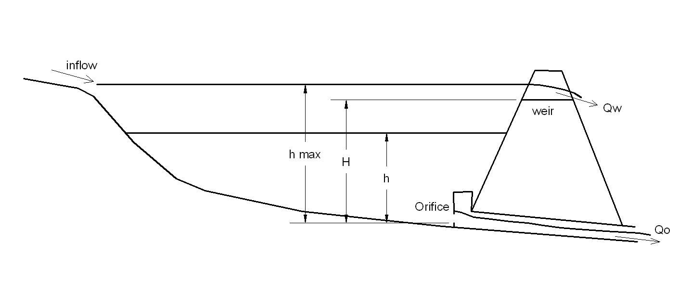

Figure 1. Detention Pond Sketch

Assignment:
A “rating curve” is a plot that shows the depth, h, as a function of total flow rate Q (Q = Qo+Qw). Create a spreadsheet to generate a rating curve for a variety of different detention pond designs. Include as parameters the weir height H, the weir length L, gravity constant g, and orifice diameter D. Prepare a graph for the following values:

 | H=6 ft
 | L=12 ft
 | g=32.2 ft/s2
 | D=9 inches

Your graph should include a range of depths (h) from 0 to 7 ft in increments of 0.25 ft. Be sure to include variable names and units on the plot axes. Good formatting is expected. Start by using the information set up for you on the "Pond Base" sheet. Print your graph to hand in and upload this Excel file to Moodle.

HINTS to get started:
You are not required to hand in answers to these questions, but before you get started on the spreadsheet, do some planning. Be sure you can answer all these questions first.

1. What does it mean for a number to be a spreadsheet “parameter?”
2. What information do you need to know or look up (formulas, equations, etc.)?
3. What will you plot on the x-axis? The y-axis? When dealing with water elevations, we usually put those on the y-axis to visually show the rise.
4. Where should you include variable names and units as well as the symbols?
5. What unit system will you be using?

Pond Base
Detention Pond Rating Curve

6 | Weir elevation [ft] |  | H
12 | Weir length [ft] |  | L
32.2 | Gravity [ft/s^2] |  | g
9 | Diameter [in] |  | D
0.4418 | Orifice area [ft^2] |  | A

Water Depth h [ft] | Orifice Flow Qo [cfs] | Weir flow Qw [cfs] | Total flow Q [cfs]
0.00 | 0.00 | 0.00 | 0.00
0.25 | 1.06 | 0.00 | 1.06
0.50 | 1.50 | 0.00 | 1.50
0.75 | 1.84 | 0.00 | 1.84
1.00 | 2.13 | 0.00 | 2.13
1.25 | 2.38 | 0.00 | 2.38
1.50 | 2.61 | 0.00 | 2.61
1.75 | 2.81 | 0.00 | 2.81
2.00 | 3.01 | 0.00 | 3.01
2.25 | 3.19 | 0.00 | 3.19
2.50 | 3.36 | 0.00 | 3.36
2.75 | 3.53 | 0.00 | 3.53
3.00 | 3.68 | 0.00 | 3.68
3.25 | 3.83 | 0.00 | 3.83
3.50 | 3.98 | 0.00 | 3.98
3.75 | 4.12 | 0.00 | 4.12
4.00 | 4.25 | 0.00 | 4.25
4.25 | 4.39 | 0.00 | 4.39
4.50 | 4.51 | 0.00 | 4.51
4.75 | 4.64 | 0.00 | 4.64
5.00 | 4.76 | 0.00 | 4.76
5.25 | 4.87 | 0.00 | 4.87
5.50 | 4.99 | 0.00 | 4.99
5.75 | 5.10 | 0.00 | 5.10
6.00 | 5.21 | 0.00 | 5.21
6.25 | 5.32 | 4.81 | 10.13
6.50 | 5.42 | 13.62 | 19.04
6.75 | 5.53 | 25.02 | 30.55
7.00 | 5.63 | 38.52 | 44.15

